Daily Power Station Chart_15-01
Plant_09/03/2025Chart

Plant:odco1 |  |  | Installed Capacity:111.180kWp
Today Yield(kWh):659.900kWh |  | Today Earning:263960.000TND |  | Today Full Load Hours(h):5.94h

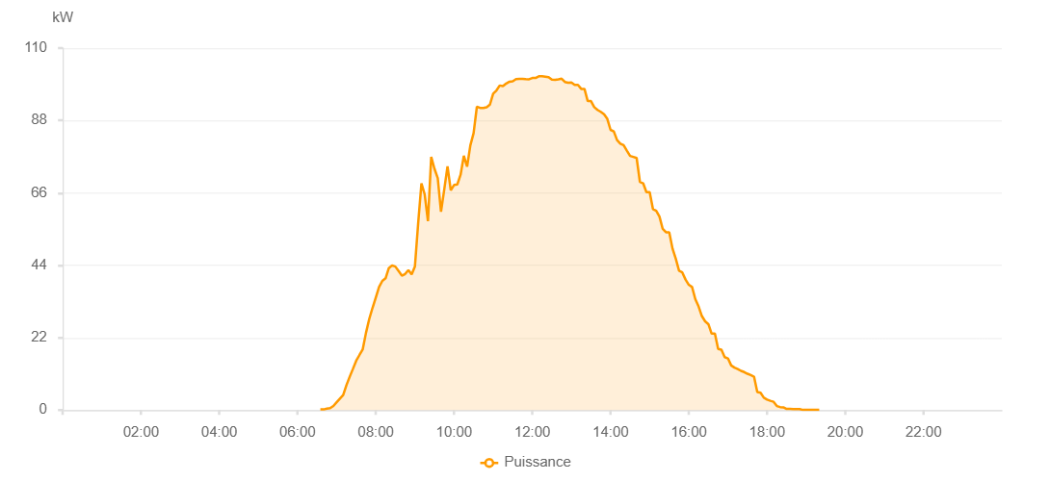

Number | Time | Working State | PV(W) | Instantaneous Radiation(W/㎡)
1 | 06:35:00 | Online | 190.00000 | 0
2 | 06:40:00 | Online | 190.00000 | 1.00000
3 | 06:45:00 | Online | 440.00000 | 1.00000
4 | 06:50:00 | Online | 560.00000 | 3.00000
5 | 06:55:00 | Online | 1230.00000 | 7.00000
6 | 07:00:00 | Online | 2360.00000 | 11.00000
7 | 07:05:00 | Online | 3480.00000 | 33.00000
8 | 07:10:00 | Online | 4550.00000 | 41.00000
9 | 07:15:00 | Online | 7550.00000 | 76.00000
10 | 07:20:00 | Online | 10120.00000 | 99.00000
11 | 07:25:00 | Online | 12530.00000 | 121.00000
12 | 07:30:00 | Online | 14990.00000 | 149.00000
13 | 07:35:00 | Online | 16740.00000 | 179.00000
14 | 07:40:00 | Online | 18470.00000 | 210.00000
15 | 07:45:00 | Online | 23500.00000 | 239.00000
16 | 07:50:00 | Online | 27700.00000 | 269.00000
17 | 07:55:00 | Online | 31060.00000 | 300.00000
18 | 08:00:00 | Online | 34200.00000 | 329.00000
19 | 08:05:00 | Online | 37380.00000 | 359.00000
20 | 08:10:00 | Online | 39240.00000 | 388.00000
21 | 08:15:00 | Online | 40040.00000 | 401.00000
22 | 08:20:00 | Online | 43130.00000 | 419.00000
23 | 08:25:00 | Online | 43970.00000 | 435.00000
24 | 08:30:00 | Online | 43600.00000 | 445.00000
25 | 08:35:00 | Online | 42230.00000 | 442.00000
26 | 08:40:00 | Online | 40850.00000 | 430.00000
27 | 08:45:00 | Online | 41350.00000 | 421.00000
28 | 08:50:00 | Online | 42550.00000 | 397.00000
29 | 08:55:00 | Online | 41220.00000 | 425.00000
30 | 09:00:00 | Online | 43630.00000 | 388.00000
31 | 09:05:00 | Online | 56800.00000 | 422.00000
32 | 09:10:00 | Online | 68890.00000 | 570.00000
33 | 09:15:00 | Online | 65560.00000 | 648.00000
34 | 09:20:00 | Online | 57400.00000 | 584.00000
35 | 09:25:00 | Online | 76950.00000 | 643.00000
36 | 09:30:00 | Online | 73300.00000 | 724.00000
37 | 09:35:00 | Online | 70490.00000 | 664.00000
38 | 09:40:00 | Online | 60270.00000 | 660.00000
39 | 09:45:00 | Online | 67060.00000 | 633.00000
40 | 09:50:00 | Online | 74080.00000 | 686.00000
41 | 09:55:00 | Online | 66790.00000 | 687.00000
42 | 10:00:00 | Online | 68400.00000 | 628.00000
43 | 10:05:00 | Online | 68560.00000 | 631.00000
44 | 10:10:00 | Online | 71500.00000 | 633.00000
45 | 10:15:00 | Online | 77270.00000 | 643.00000
46 | 10:20:00 | Online | 73970.00000 | 706.00000
47 | 10:25:00 | Online | 80450.00000 | 711.00000
48 | 10:30:00 | Online | 84160.00000 | 807.00000
49 | 10:35:00 | Online | 92160.00000 | 868.00000
50 | 10:40:00 | Online | 91830.00000 | 884.00000
51 | 10:45:00 | Online | 91790.00000 | 894.00000
52 | 10:50:00 | Online | 92020.00000 | 898.00000
53 | 10:55:00 | Online | 92820.00000 | 915.00000
54 | 11:00:00 | Online | 96170.00000 | 915.00000
55 | 11:05:00 | Online | 97120.00000 | 924.00000
56 | 11:10:00 | Online | 98630.00000 | 928.00000
57 | 11:15:00 | Online | 98430.00000 | 936.00000
58 | 11:20:00 | Online | 99240.00000 | 943.00000
59 | 11:25:00 | Online | 99790.00000 | 943.00000
60 | 11:30:00 | Online | 99910.00000 | 954.00000
61 | 11:35:00 | Online | 100550.00000 | 960.00000
62 | 11:40:00 | Online | 100630.00000 | 956.00000
63 | 11:45:00 | Online | 100660.00000 | 960.00000
64 | 11:50:00 | Online | 100550.00000 | 961.00000
65 | 11:55:00 | Online | 100530.00000 | 961.00000
66 | 12:00:00 | Online | 100920.00000 | 962.00000
67 | 12:05:00 | Online | 100920.00000 | 962.00000
68 | 12:10:00 | Online | 101430.00000 | 962.00000
69 | 12:15:00 | Online | 101430.00000 | 957.00000
70 | 12:20:00 | Online | 101320.00000 | 955.00000
71 | 12:25:00 | Online | 101180.00000 | 954.00000
72 | 12:30:00 | Online | 100420.00000 | 950.00000
73 | 12:35:00 | Online | 100340.00000 | 944.00000
74 | 12:40:00 | Online | 100520.00000 | 942.00000
75 | 12:45:00 | Online | 100710.00000 | 940.00000
76 | 12:50:00 | Online | 99710.00000 | 933.00000
77 | 12:55:00 | Online | 99460.00000 | 933.00000
78 | 13:00:00 | Online | 99570.00000 | 924.00000
79 | 13:05:00 | Online | 98840.00000 | 914.00000
80 | 13:10:00 | Online | 98840.00000 | 900.00000
81 | 13:15:00 | Online | 97610.00000 | 893.00000
82 | 13:20:00 | Online | 97610.00000 | 883.00000
83 | 13:25:00 | Online | 93900.00000 | 883.00000
84 | 13:30:00 | Online | 93900.00000 | 865.00000
85 | 13:35:00 | Online | 92070.00000 | 858.00000
86 | 13:40:00 | Online | 91220.00000 | 846.00000
87 | 13:45:00 | Online | 90620.00000 | 834.00000
88 | 13:50:00 | Online | 89890.00000 | 816.00000
89 | 13:55:00 | Online | 88490.00000 | 801.00000
90 | 14:00:00 | Online | 85150.00000 | 790.00000
91 | 14:05:00 | Online | 84680.00000 | 782.00000
92 | 14:10:00 | Online | 82050.00000 | 782.00000
93 | 14:15:00 | Online | 80950.00000 | 751.00000
94 | 14:20:00 | Online | 80480.00000 | 751.00000
95 | 14:25:00 | Online | 78830.00000 | 728.00000
96 | 14:30:00 | Online | 77230.00000 | 728.00000
97 | 14:35:00 | Online | 76940.00000 | 691.00000
98 | 14:40:00 | Online | 76610.00000 | 691.00000
99 | 14:45:00 | Online | 69350.00000 | 667.00000
100 | 14:50:00 | Online | 68910.00000 | 654.00000
101 | 14:55:00 | Online | 66220.00000 | 654.00000
102 | 15:00:00 | Online | 66220.00000 | 619.00000
103 | 15:05:00 | Online | 61080.00000 | 599.00000
104 | 15:10:00 | Online | 60550.00000 | 599.00000
105 | 15:15:00 | Online | 58810.00000 | 558.00000
106 | 15:20:00 | Online | 55040.00000 | 539.00000
107 | 15:25:00 | Online | 54030.00000 | 515.00000
108 | 15:30:00 | Online | 54030.00000 | 485.00000
109 | 15:35:00 | Online | 49080.00000 | 480.00000
110 | 15:40:00 | Online | 45990.00000 | 460.00000
111 | 15:45:00 | Online | 42350.00000 | 432.00000
112 | 15:50:00 | Online | 41830.00000 | 412.00000
113 | 15:55:00 | Online | 39650.00000 | 398.00000
114 | 16:00:00 | Online | 38060.00000 | 375.00000
115 | 16:05:00 | Online | 37380.00000 | 353.00000
116 | 16:10:00 | Online | 33700.00000 | 335.00000
117 | 16:15:00 | Online | 31480.00000 | 306.00000
118 | 16:20:00 | Online | 28570.00000 | 293.00000
119 | 16:25:00 | Online | 26980.00000 | 273.00000
120 | 16:30:00 | Online | 26110.00000 | 246.00000
121 | 16:35:00 | Online | 23220.00000 | 229.00000
122 | 16:40:00 | Online | 23220.00000 | 116.00000
123 | 16:45:00 | Online | 18550.00000 | 116.00000
124 | 16:50:00 | Online | 18330.00000 | 100.00000
125 | 16:55:00 | Online | 16080.00000 | 95.00000
126 | 17:00:00 | Online | 15690.00000 | 93.00000
127 | 17:05:00 | Online | 13560.00000 | 88.00000
128 | 17:10:00 | Online | 12910.00000 | 88.00000
129 | 17:15:00 | Online | 12470.00000 | 78.00000
130 | 17:20:00 | Online | 11920.00000 | 78.00000
131 | 17:25:00 | Online | 11540.00000 | 67.00000
132 | 17:30:00 | Online | 11030.00000 | 63.00000
133 | 17:35:00 | Online | 10620.00000 | 57.00000
134 | 17:40:00 | Online | 10150.00000 | 50.00000
135 | 17:45:00 | Online | 5490.00000 | 50.00000
136 | 17:50:00 | Online | 5250.00000 | 44.00000
137 | 17:55:00 | Online | 3760.00000 | 34.00000
138 | 18:00:00 | Online | 3170.00000 | 34.00000
139 | 18:05:00 | Online | 2820.00000 | 28.00000
140 | 18:10:00 | Online | 2520.00000 | 23.00000
141 | 18:15:00 | Online | 1210.00000 | 12.00000
142 | 18:20:00 | Online | 900.00000 | 12.00000
143 | 18:25:00 | Online | 820.00000 | 9.00000
144 | 18:30:00 | Online | 330.00000 | 2.00000
145 | 18:35:00 | Online | 330.00000 | 1.00000
146 | 18:40:00 | Online | 320.00000 | 0
147 | 18:45:00 | Online | 290.00000 | 0
148 | 18:50:00 | Online | 290.00000 | 0
149 | 18:55:00 | Online | 40.00000 | 0
150 | 19:00:00 | Online | 40.00000 | 0
151 | 19:05:00 | Online | 40.00000 | 0
152 | 19:10:00 | Online | 40.00000 | 0
153 | 19:15:00 | Online | 40.00000 | 0
154 | 19:20:00 | Online | 40.00000 | 0
155 | 19:40:00 | Online | 0.00001 | 0.00001

